Guidance
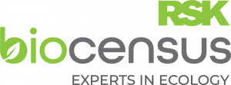 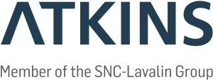  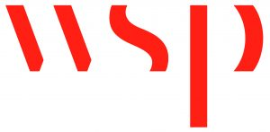
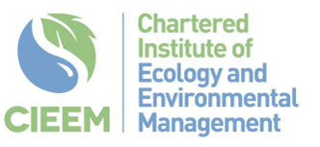
Raising Standards: Planning your professional development against competency standards

Purpose

Understanding what good practice looks like and how to develop your competence in different areas of ecological survey, management and mitigation is fundamental to professional development and progressing your career. CIEEM has been working with volunteer members to develop taxa-specific competency standards that tell you what you need to know and what you should be able to do in order to demonstrate increasing levels of competence. These standards are derived from the CIEEM Competency Framework and have also drawn on the Ecological Competences: Skills and Process document published by Atkins in 2019.

By using these competency standards you are able to: - Identify your current level of competence in the activity described - Understand the evidence you would need to demonstrate competence to others - Plan how to develop your knowledge and skills to move up to the next competence level

Self-assessment

This workbook provides an optional tool to help you prioritise and plan your professional development using taxa / activity specific competencies. First use the BASIC worksheet, to self-assess against the descriptors of Basic competence under each skill area. You may do this individually or through professional discussion with your line-manager or a peer. You might want to write yourself a SMART target to guide your professional development under each heading where you're not already fully proficient. Next, repeat the exercise by self-assessing against CAPABLE and ACCOMPLISHED descriptors. Feel free to return to this tool as often as you like to update your progress - the Summary worksheet will track achievement of competencies. You do not need to be fully competent in all Basic activities before self-assessing against Capable and Accomplished descriptors, since your experience may vary by skill area. You cannot however achieve overall Capable competence without also achieving all Basic descriptors, and to be Accomplished you must also meet all Basic and Capable criteria.

Evidence

Once you meet all criteria at a certain level, you may wish to evidence this by sharing examples of your experience under each skill area. You can use the Evidence Form to do this, and on completion you may wish to request a professional development review meeting with your line-manager or a peer. For example, on achieving a Basic level of competence you may wish to use the evidence form to record your experience as you begin to work towards a Capable level. The Evidence Form is optional - it may complement your organisation's performance management and professional development scheme, and it provides a place to record your experience for future use e.g. when updating your CV or providing evidence for professional body membership or upgrade.

CIEEM are grateful to the following members of the steering group for their support for this project:

Evidence Form
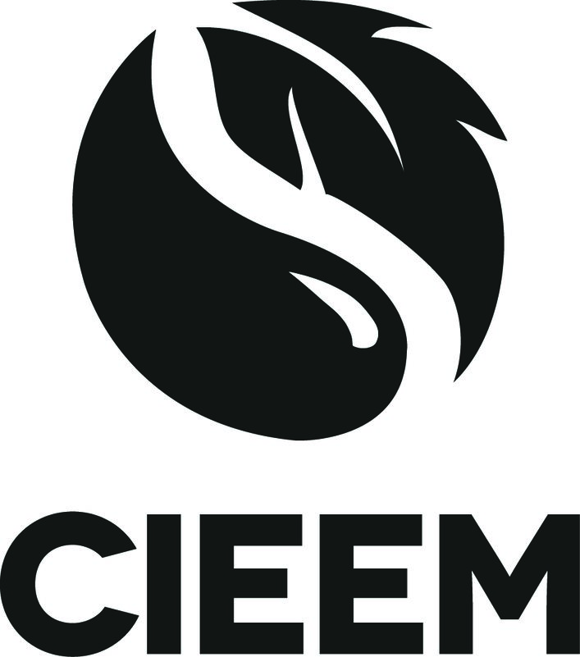 
 | Competency Standard Evidence Form

 | Important: By submitting this form you are agreeing that the information you provide is accurate to the best of your knowledge and can be shared with CIEEM.
 | NAME OF COMPETENCY STANDARD | Preliminary Habitat Survey
 | LEVEL OF COMPETENCY | Basic, Capable, or Advanced
 | YOUR DETAILS
 | Full name and title:

 | Job title / grade:

 | Employer name:

 | Work email:

 | Contact number:

 | Date completed:

 | Licenses held relevant to this competency standard:

 | Training undertaken relevant to this competency standard:

 | EVIDENCE BY AREA OF COMPETENCE
 | Please describe your experience by each area of competence and include examples of relevant activities that you have been involved with. You might find it helpful to use the STAR method to structure your response.
 | Situation: | Specific details of your example (e.g. nature of survey)
 | Task: | What was your specific role in the activity? (e.g. leading or assisting)
 | Action: | Explain what you did (e.g. designed and implemented survey methods)
 | Result: | What was the outcome / what were the outputs? (e.g. relevant reports)

 | Policy and Legislation and Nature Conservation (P1)

 | Habitat survey design, planning and fieldwork: Guidance (S1.1)

 | Habitat survey design, planning and fieldwork: Desk-study (S1.2)

 | Habitat survey design, planning and fieldwork: Mapping (S1.3)

 | Habitat survey design, planning and fieldwork: Field Notes (S1.4)

 | Species identification (S2)

 | Habitat Identification and Evaluation: Identification (S3.1)

 | Habitat Identification and Evaluation: Condition Assessment (S3.2)

 | Habitat Identification and Evaluation: Scoping additional surveys (S3.3)

 | Interpretation and evidence-based reporting (SM3)

 | Other evidence (including any relevant voluntary work, publications and events organised):

 | 1st sign off by (select below):
 | Self / Peer
 | 2nd sign off by (select below):
 | Line-Manager / Accomplished Practitioner

